Sheet1
 |  |  |  |  | average | 2%

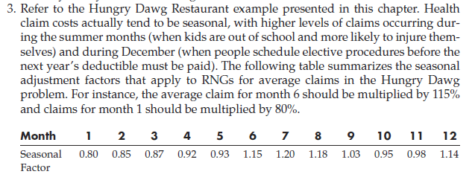
initial conditions |  |  |  | Problem Data
Number of covered Employees |  |  | 18533 | Max Decrease | 3% | Max Increase | 7% | Uniform Distribution
Average claim per employee |  |  | 250 | Mthly Increase | 1% | std Dev | 3 | Normal Distribution
Amount contributed per employee |  |  | 125 | constant

 | Number of | Employee | Avg Claim | Total |  | Company
Month | Employees | Contributions | per Emp. | Claims |  | cost
1 | 18904 | 2362958 | 252.50 | 4773174.15 |  | 2410217
2 | 19282 | 2410217 | 255.03 | 4917324.0093 |  | 2507107
3 | 19667 | 2458421 | 257.58 | 5065827.1944 |  | 2607406
4 | 20061 | 2507589 | 260.15 | 5218815.1757 |  | 2711226
5 | 20462 | 2557741 | 262.75 | 5376423.394 |  | 2818682
6 | 20871 | 2608896 | 265.38 | 5538791.3805 |  | 2929895
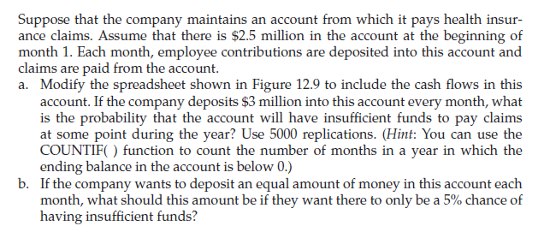
7 | 21289 | 2661074 | 268.03 | 5706062.8802 |  | 3044989
8 | 21714 | 2714295 | 270.71 | 5878385.9792 |  | 3164091
9 | 22149 | 2768581 | 273.42 | 6055913.2357 |  | 3287332
10 | 22592 | 2823953 | 276.16 | 6238801.8154 |  | 3414849
11 | 23043 | 2880432 | 278.92 | 6427213.6303 |  | 3546782
12 | 23504 | 2938041 | 281.71 | 6621315.4819 |  | 3683275

